READ ME
READ ME File for COMET (Counting Method Evaluation Tool)
https://cell-counting.shinyapps.io/COMET/

COMET (COunting Method Evaluation Tool) is a Shiny App that accepts data in a specific template based on a specified experimental design and conducts statistical analysis, and outputs quality indicators for the cell counting methods as well as additional meta-data important for reporting of results.

COMET is designed to accept data from experimental designs that follow the principles outlined in the ISO standard, "ISO 20391-2:2019 Biotechnology — Cell counting — Part 2: Experimental design and statistical analysis to quantify counting method performance". The outputs of this app are intended to follow the reporting requirements and recommendations of the standard.

This excel file contains:
 | 1) | Full Data Template for COMET |  | Comprehensive data template with columns for meta-data, that can be saved as a *.CSV file for upload into COMET
 | 2) | Full Template Descriptions |  | Description of the columns in the full data template
 | 3) | Simple Data Template for COMET |  | A simple form data template with minimal data inputs for running COMET, that can be saved as a *.CSV file for upload into COMET
 | 4) | COMET Input Parameters |  | Descriptions of the input parameters for COMET
 | 5) | COMET Output Tabs |  | Descriptions of the output tabs and their contents
 | 6) | Download Results File Descr. |  | Descriptions of the contents of the file generated by the "Download All Results" button
 | 7) | Data Template Examples |  | Example studies that can be saved as *.CSV files and run using COMET
 |  |  |  | Full Template Example 1: | Data corresponds with ISO 20391-2:2019 Annex D (Use Case 1)
 |  |  |  | Full Template Example 2: | Data corresponds with ISO 20391-2:2019 Annex E (Use Case 2)
 |  |  |  | Full Template Example 3: | Data corresponds with publication, Sarkar et. al., Cell & Gene Therapy Insights, 2019
 |  |  |  | Simple Template Example 1: | Independent data set

More information on the experimental design and statistical analysis approach for quantifying cell counting method performance can be found at:
 | https://www.nist.gov/programs-projects/evaluating-quality-cell-counting-methods-experimental-design-and-statistical

Additional Resources:
 | 1) | ISO 20391-1:2018 Biotechnology — Cell counting — Part 1: General guidance on cell counting methods |  |  |  |  |  |  | https://www.iso.org/standard/68879.html
 | 2) | ISO 20391-2:2019 Biotechnology — Cell counting — Part 2: Experimental design and statistical analysis to quantify counting method performance |  |  |  |  |  |  | https://www.iso.org/standard/67892.html
 | 3) | Standards Landscape in Cell Counting: Implications for Cell & Gene Therapy. Sarkar, Pierce, Lin-Gibson, Lund. (Cell & Gene Therapy Insights, 2019) |  |  |  |  |  |  | https://insights.bio/immuno-oncology-insights/journal/article/236/standards-landscape-in-cell-counting-implications-for-cell-gene-therapy
 | 4) | Evaluating the quality of a cell counting measurement process via a dilution series experimental design. Sarkar, Lund, Vyzasatya, Vanguri, Elliott, Plant, Lin-Gibson.(Cytotherapy, 2017) |  |  |  |  |  |  | https://pubmed.ncbi.nlm.nih.gov/29037942/

 |  |  | Example Experimental Design |  |  | Quality Indicator Reporting |  |  |  | Meta-Data Reporting
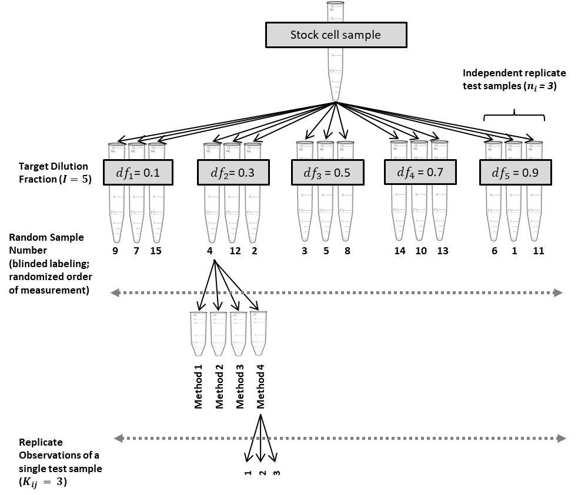
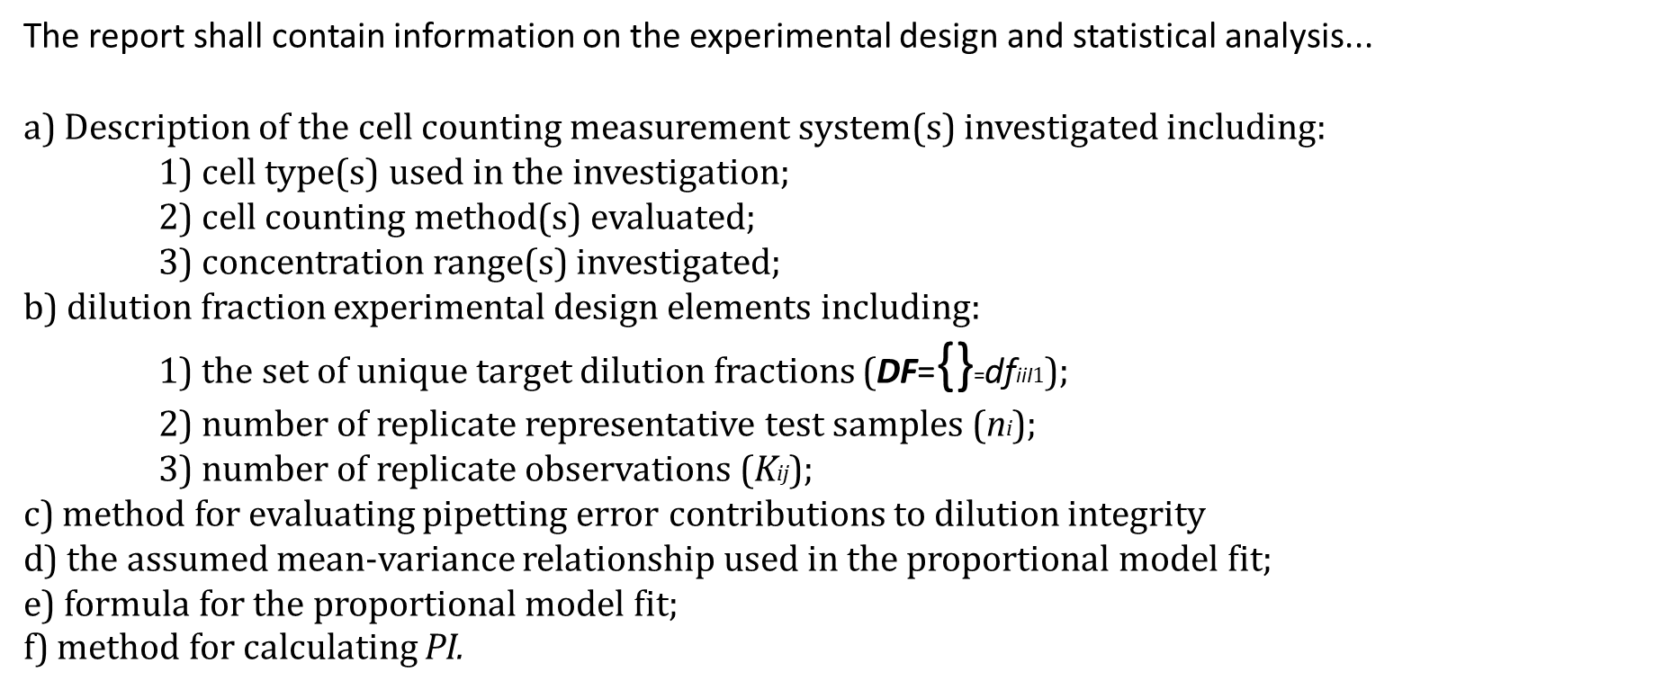

 |  |  |  |  |  |  | Ydfi | mean cell count for a set of ni representative test samples, with target dilution fractions dfi
 |  |  |  |  |  |  | %CVdfi | mean percent CV for a set of ni representative test samples, with target dilution fractions dfi
 |  |  |  |  |  |  | R2 | coefficient of determination
 |  |  |  |  |  |  | PI | proportionality index, calculation is method specific. Several calculations for PI can be found in the Cell Counting Part 2 documentary standard

